1. Title Page
Project Name: Instacart Customer Order Habit Analysis
Date: 03/11/2024
Analyst Name: Marvin Krenge

Contents:
Population Flow
Consistency checks
Wrangling steps
Column derivations
Visualizations
Recommendations

2. Population Flow
Title page

Population flow

Orders_products_combined
Orders_products_merged
Orders_products_all

Total: 30355051
Total: 30356421
Total: 30355051

3. Consistency checks
 |  |  |  | Title page
Consistency checks

Dataset | Missing values | Missing values treatment | Duplicates
orders | "day_since_prior_order" has 206209 null value | Drop the rows with null value | No duplicate
products | No missing value | N/A | Discover five duplicates and all were removed
orders_products_prior | No missing value | N/A | No duplicate
customers | No missing value | N/A | No duplicate

4. Wrangling steps
 |  |  |  |  | Title page
Wrangling steps

Dataset | Columns dropped | Columns renamed | Columns' type changed | Comment/Reason
orders | "eval_set" | "order_dow" to "order_day_of_week" | "days_since_prior_order" from float64 to int64 | int64 datatype is more suitable to store 'day' data
products | No columns dropped | No rename | "product_name" change to object datatype | There was mixed datatype in this column.
orders_products_prior | No columns dropped | No rename | No datatype change | N/A
customers | "First Name", "Surnam" | 1."Gender" to "gender" 2."STATE" to "state" 3."Age" to "age" | No datatype change | Decapitalizing the first letter for column name consistency.

5. Column derivations
 |  |  |  | Title page

Column derivations and aggregations

Dataset | New column | Column/s it was derived from | Conditions
order_product_merge | "price_range" | "prices" | price > 15, high-range; 5 < price <=15, mid-range; price >=5, low-range
order_product_merge | "busiest days" | "order_day_of_week" | The two days have the most order in a week are the busies days; the two days have the least order in a week are the slowest days; other days are regular days
order_product_merge | "busiest_period_of_day" | "order_hour_of_day" | 9 to 16 are the time with the most orders, 0 to 6 are the time with the fewest order. Other time has regular orders.
order_product_merge | "loyalty_flag" | "order_number" | The maximum order >40, loyal cutomer; 10 < maximum order <=40, regular customer; the maximum order <= 10, new customer.
order_product_merge | "spending_flag" | "prices" | average spending < 10, low spender; average spending >=10, high spender.
order_product_merge | "frequency_flag" | "days_since_prior_order" | days_since_prior_order > 20, non-frequent customer; days_since_prior_order <= 10, frequent customer; others are regular customer.
order_product_all | "customer_activity" | "order_number" | order number >= 5, high_activity customer; order number < 5, low_activity customer
price_ range code
df.loc[df['prices'] > 15, 'price_range_loc'] = 'High-range product'
df.loc[(df['prices'] <= 15) & (df['prices'] > 5), 'price_range_loc'] = 'Mid-range product'
df.loc[df['prices'] <= 5, 'price_range_loc'] = 'Low-range product'
busiest days code
df.loc[df['order_day_of_week'] == 0, 'busiest_days'] = 'Busiest days'
df.loc[df['order_day_of_week'] == 1, 'busiest_days'] = 'Busiest days'
df.loc[df['order_day_of_week'] == 3, 'busiest_days'] = 'Slowest days'
df.loc[df['order_day_of_week'] == 4, 'busiest_days'] = 'Slowest days'
df.loc[df['order_day_of_week'] == 5, 'busiest_days'] = 'Regular days'
df.loc[df['order_day_of_week'] == 6, 'busiest_days'] = 'Regular days'
df.loc[df['order_day_of_week'] == 2, 'busiest_days'] = 'Regular days'
loyalty_flag code
# creat max_order column
ords_prods_merge['max_order'] = ords_prods_merge.groupby(['user_id'])['order_number'].transform(np.max)
#assign flag
ords_prods_merge.loc[ords_prods_merge['max_order'] > 40, 'loyalty_flag'] = 'Loyal customer'
ords_prods_merge.loc[(ords_prods_merge['max_order'] <= 40) & (ords_prods_merge['max_order'] > 10), 'loyalty_flag'] = 'Regular customer' ords_prods_merge.loc[ords_prods_merge['max_order'] <= 10, 'loyalty_flag'] = 'New customer'

spending_flag code
# create spending column
ords_prods_merge['avg_spending'] = ords_prods_merge.groupby(['user_id'])['prices'].transform('mean')
# assign flag
ords_prods_merge.loc[ords_prods_merge['avg_spending'] < 10, 'spending_flag'] = 'Low spender'
ords_prods_merge.loc[ords_prods_merge['avg_spending'] >= 10, 'spending_flag'] = 'High spender'

busiest_period_of_day code
result = []
for value in df["orders_hour_of_day"]:
if 9 <= value <= 16:
result.append('Most orders')
elif 0 <= value <= 6:
result.append('Fewest orders')
else:
result.append('Average orders')
df['busiest_period_of_day'] = result

frequency_flag code
# create frequency column
ords_prods_merge['median_days_since_prior_order'] = ords_prods_merge.groupby(['user_id'])['days_since_prior_order'].transform('median')
# assign flag
ords_prods_merge.loc[ords_prods_merge['median_days_since_prior_order'] > 20, 'frequency_flag'] = 'Non-frequent customer'
ords_prods_merge.loc[(ords_prods_merge['median_days_since_prior_order'] <= 20) & (ords_prods_merge['median_days_since_prior_order'] > 10), 'frequency_flag'] = 'Regular customer'
ords_prods_merge.loc[ords_prods_merge['median_days_since_prior_order'] <= 10, 'frequency_flag'] = 'Frequent customer'

customer_activity code
df_ords_prods.loc[df_ords_prods['order_number'] < 5, 'customer_activity'] = 'low_activity customers'
df_ords_prods.loc[df_ords_prods['order_number'] >= 5, 'customer_activity'] = 'high_activity customer'

6. Visualizations
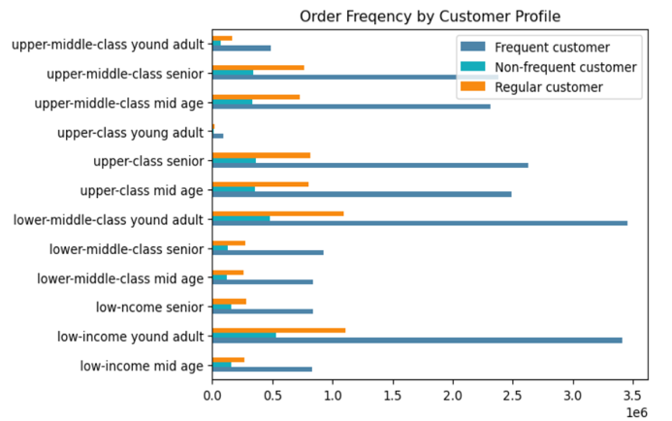
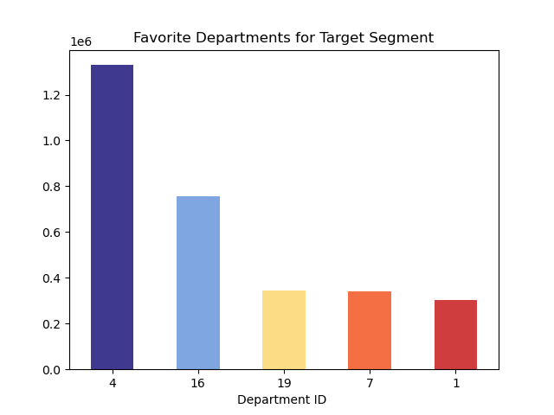
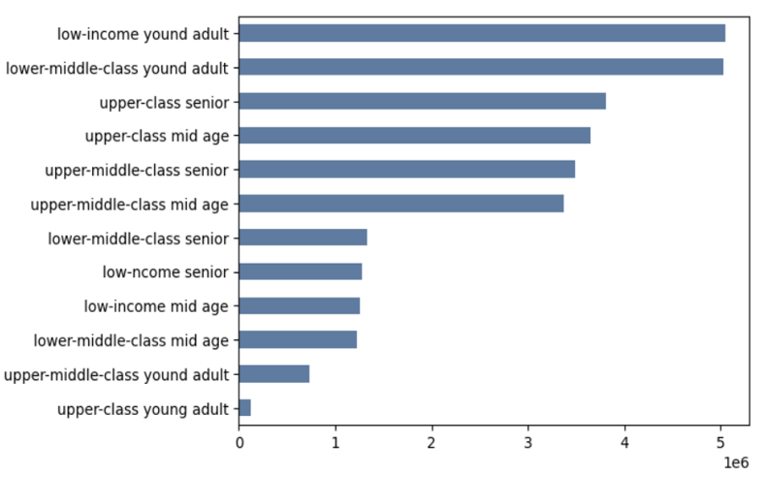
 |  | Title page

Visualisations

Key Question 1 | The busiest days of the week and the busiest hours of the day the busiest days of the week and hours of the day

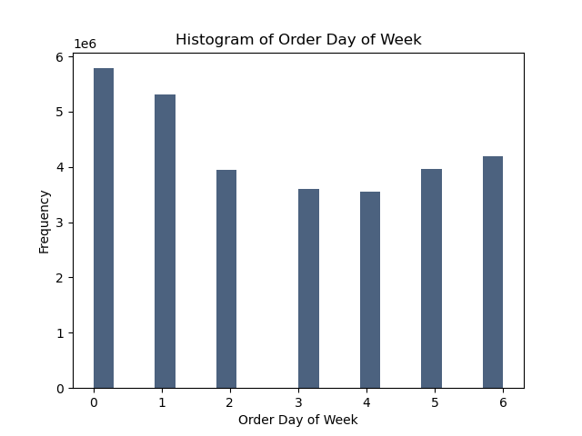
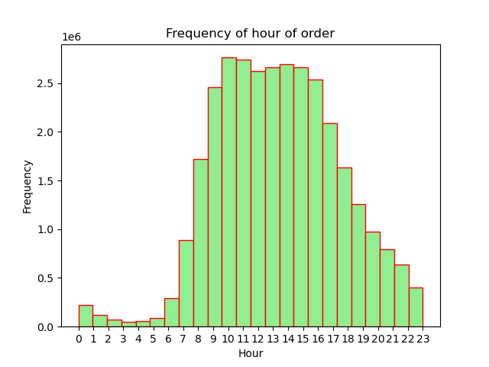

Key Question 2 | The particular times of the day when people spend the most money

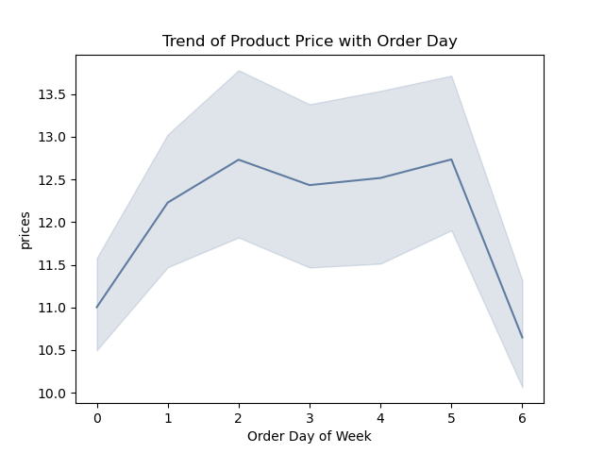
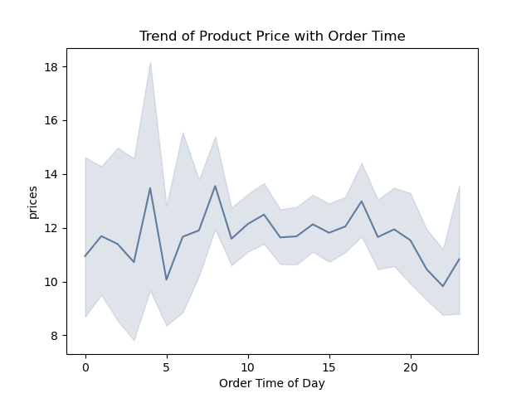

Key Question 3 | The price range grouping

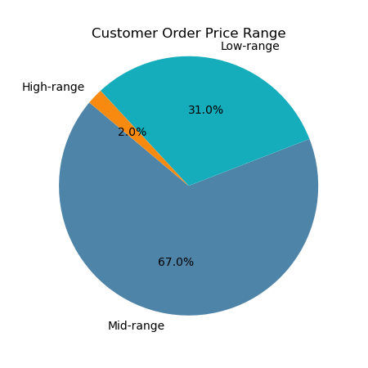

Key Question 4 | The departments have the highest frequency of product orders
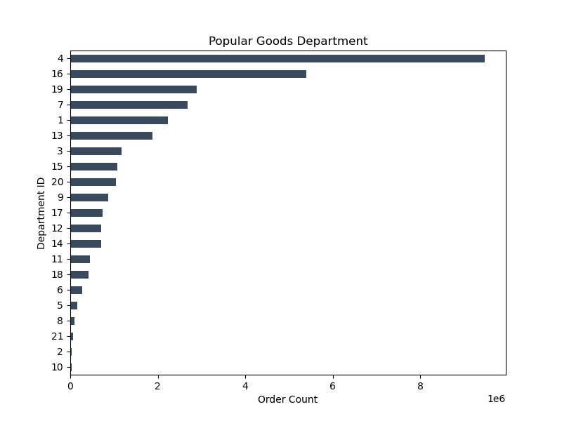

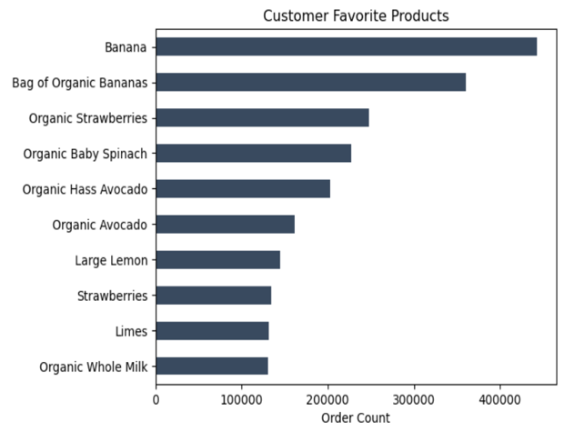

Key Question 5 | The distribution of brand loyalty

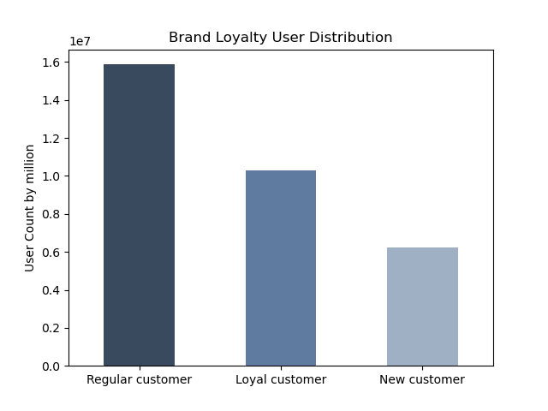

Key Question 6 | The ordering habbits base on customer loyalty status
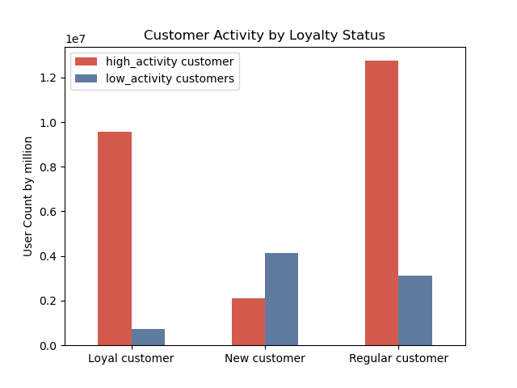
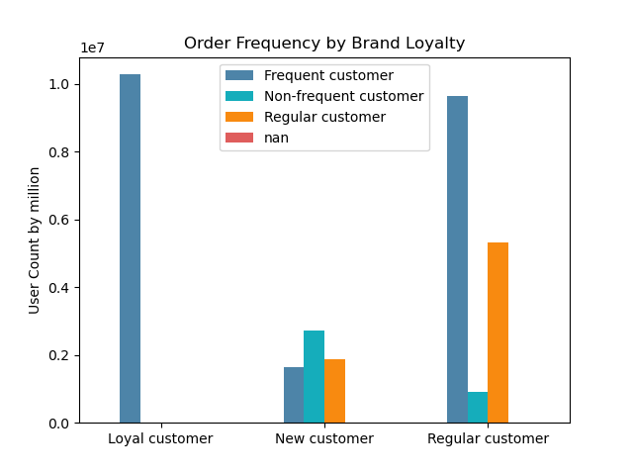
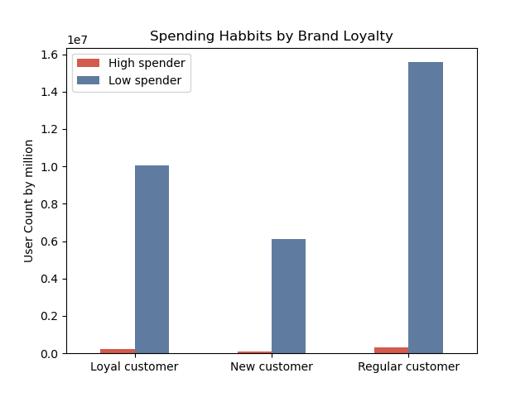

Key Question 7 | The ordering habbits base on customer region
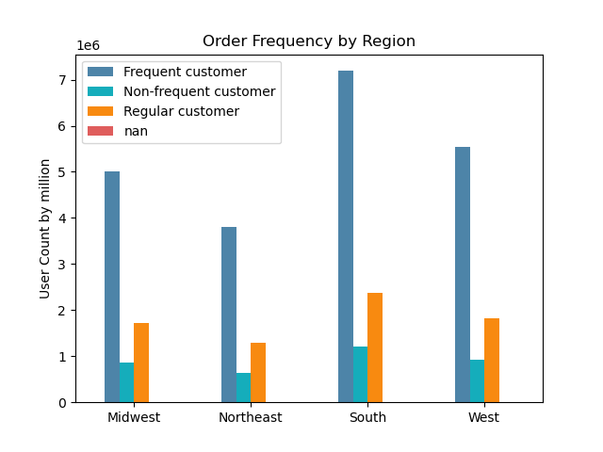
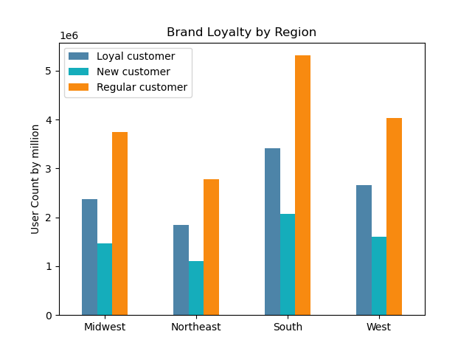
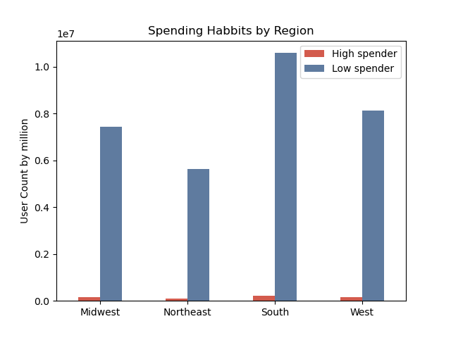

Key Question 8 | The ordering habbits base on age and family status
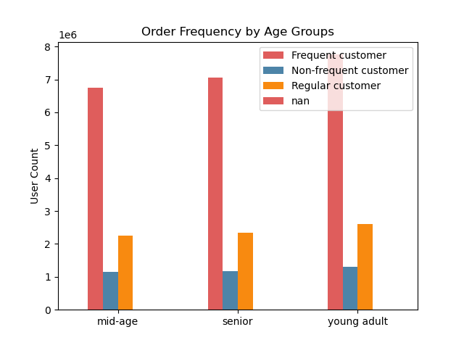
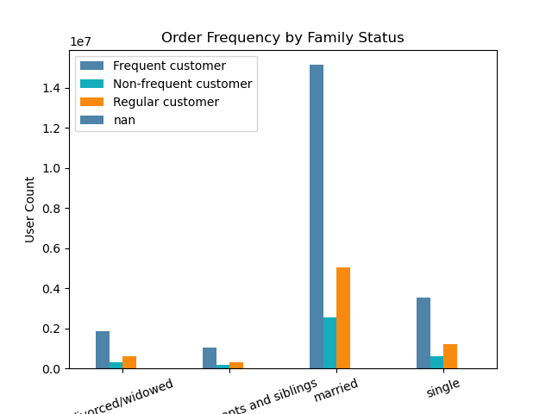

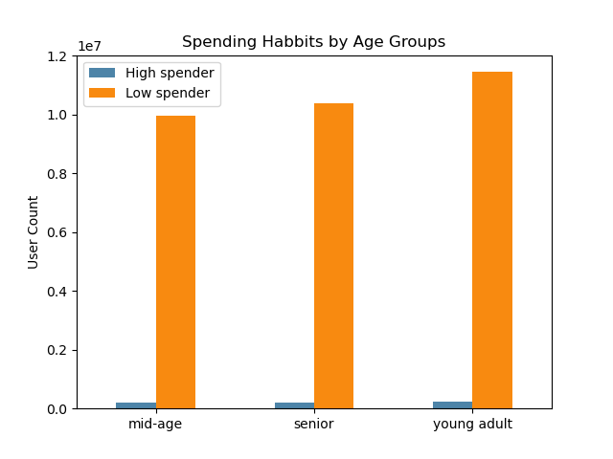
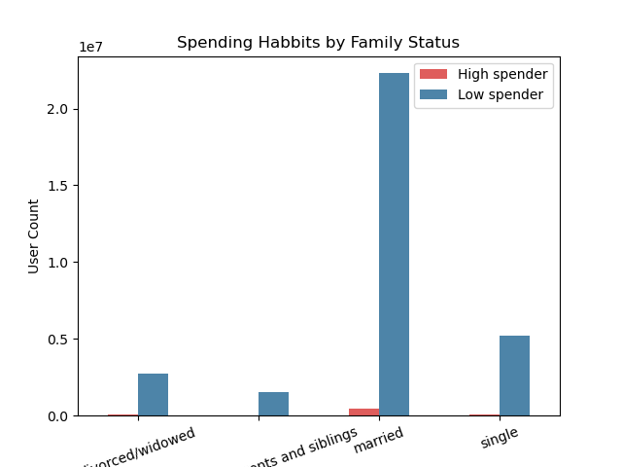

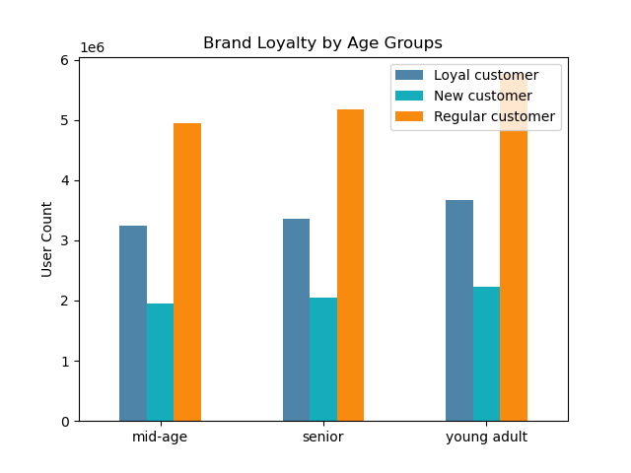
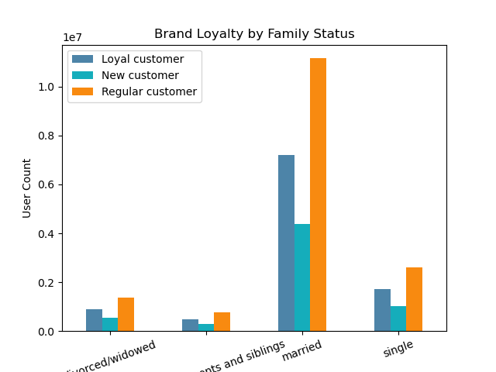

Key Question 9 | The ordering habbits base on demographic information
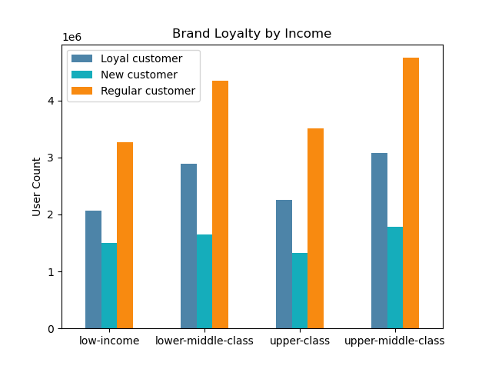
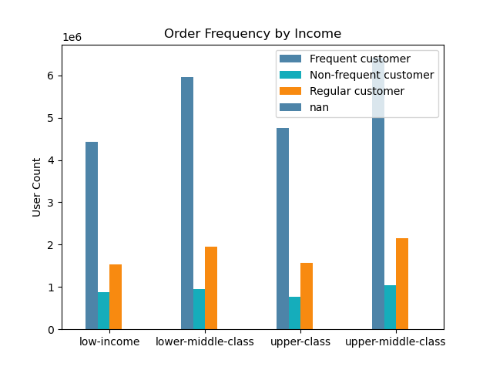

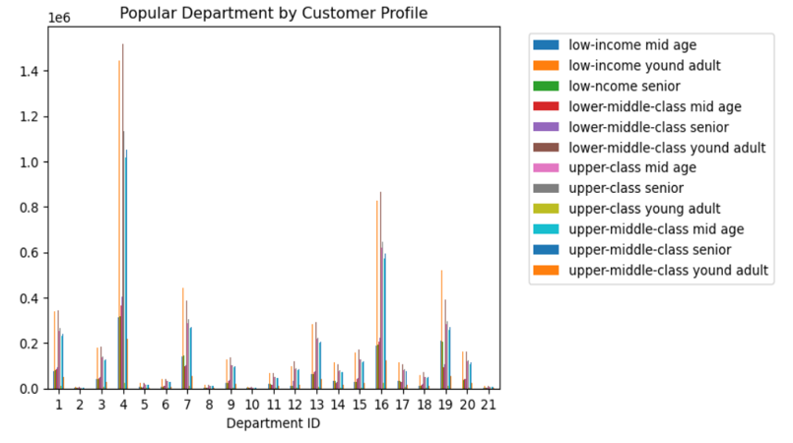

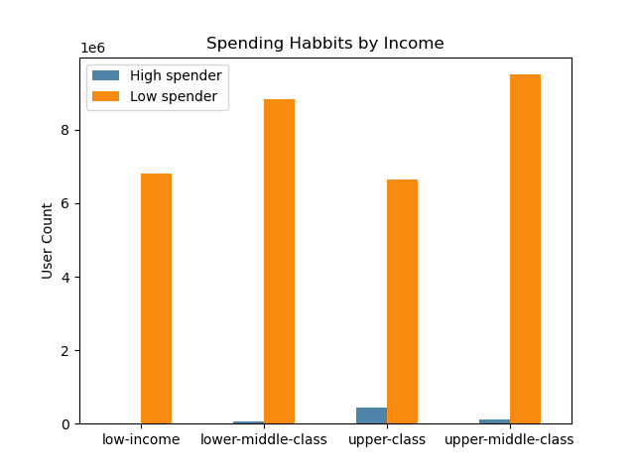


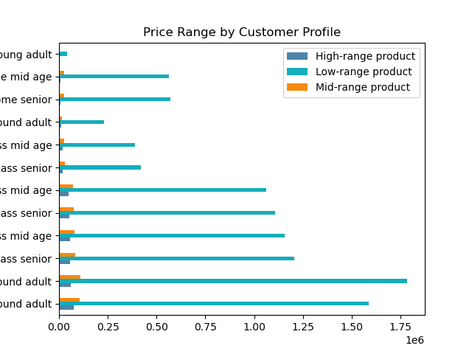
Key Question 10 | The ordering habbits base on customer profile

7. Recommendations
 | Title page

Recommendations

In this tab you should include any recommendations you would made to Instcart in terms of their marketing strategy based on the questions posed in the brief. Every key question has been covered in the Tasks of the Exercises - here you need to add an item - a visualisation or table/crosstable that is showing the answer in the data, acompanied by a comment from you. Please, list the questions below and add the answer underneath.

Question 1

To optimize ad scheduling, the sales team requires insights into the busiest days and hours for orders, facilitating the placement of ads during quieter periods. By targeting times with lower order volumes, ad campaigns can effectively capture attention without competing against peak ordering times.

Answer

The visualization highlights Saturday and Sunday ("0" and "1") as the peak days, while Tuesday and Wednesday ("3" and "4") emerge as the quietest. Ordering activity peaks between 9 and 16 hours. It's advisable to target advertising efforts during peak times and days to maximize online brand exposure. Conversely, promoting instant deals on the slowest days of the week can stimulate orders. Given that the slowest time coincides with sleeping hours for most people, allocating ad budget during this period may not yield significant returns.

Question 2

The sales team is interested in discerning if there are specific timeframes during the day when consumer spending peaks. This insight could influence their decisions regarding which products to feature in advertisements during these high-spending periods.
 |  | product_name | count
 |  | Ground Turkey Breast | 25116
 |  | Organic Beef Hot Dogs | 16170
Answer |  | Organic Turkey Bacon | 14398
Customers tend to gravitate towards purchasing more expensive products between 3 PM and 7 PM. Furthermore, the list on the right side indicates that the highest-priced food items are among the most ordered during this time frame. The sales team can capitalize on this information by strategically running advertisements for these high-priced products during these peak ordering hours.
 |  | Tilapia Filet | 13873
 |  | Organic Chicken & Apple Sausage | 12332
 |  | Organic Beef Uncured Hot Dogs | 11497
 |  | 85% Lean Ground Beef | 11450
 |  | Boneless Skinless Chicken Thighs | 9841
 |  | Organic Chicken Thighs | 7416
 |  | 93% Ground Beef | 7097

Question 3

Instacart has a lot of products with different price tags. Marketing and sales want to
use simpler price range groupings to help direct their efforts.

 |  | price_range | count
Answer |  | Mid-range product | 20488410
 |  | Low-range product | 9476792
Products priced above $15 are categorized as high-range products, those below $5 are classified as low-range products, and the remaining fall into the mid-range category. High-range products account for 2% of all orders, while mid-range products lead with 67%, followed by low-range products at 31%.
 |  | High-range product | 389849

Question 4

Are there certain types of products that are more popular than others? The marketing
and sales teams want to know which departments have the highest frequency of
product orders.

Answer

Department 4, and 16 are the top 2 most order product. Department 4 is produce and 16 is daily eggs. The top 10 order products are on the list on the right.

Question 5

The marketing and sales teams are particularly interested in the different types of
customers in their system and how their ordering behaviors differ.
What’s the distribution among users in regards to their brand loyalty (i.e., how
often do they return to Instacart)?
 |  | loyalty_flag | count
 |  | Regular customer | 15094623
 |  | Loyal customer | 10104552
 |  | New customer | 5155876

Answer

Majority orderrers are from regular cuerstomer(order times between 10 to 40), then followed by loyal customer (made more than 40 orders). New customoioier made the least order number.

Question 6

Are there differences in ordering habits based on a customer’s loyalty status?

Answer

Loyal customers and regular customers are lower spender, and they tend to order more frequently and are active on the app.

Question 7

Are there differences in ordering habits based on a customer’s region?

Answer

The South region definitely need to be allocated more resource as the region has the biggest number of loyal and regular custemers and the customer made the order more frequent compare to other regions. The South region also has the most high spenders and low spenders.

Question 8

Is there a connection between age and family status in terms of ordering
habits?

Answer

Married couple make the most order than orther family groups. Among all age groups, young adult and senior are more loyal and order more frequent. Therefore, married young couple, and married senior couple should be set as targeted segment when company arrange advertising.

Question 9

What different classifications does the demographic information suggest?
Age? Income? Certain types of goods? Family status?

Answer

Both lower-middle class and uppper-middle class are main forces for ordering. Their income are bween 60,000 to 100,000. In the age and income scatterplot, the company should target the group of people over 40 with income under 300,000.

Question 10

What differences can you find in ordering habits of different customer
profiles? Consider the price of orders, the frequency of orders, the products
customers are ordering.

Answer

Consider the price of orders, the frequency of orders, and the products
customers are ordering, upper-middle-class mid age, upper-middle-class senior, upper class mid age and upper class senior should be the target groups for the company to focus. And produce department and daily eggs department are the populater departmment for order.

